Summary and Charts
Statistics | Charts | Trades | Formula | Settings | Symbols | Monte Carlo
 |  |  |  | 1. Portfolio Equity
Statistics
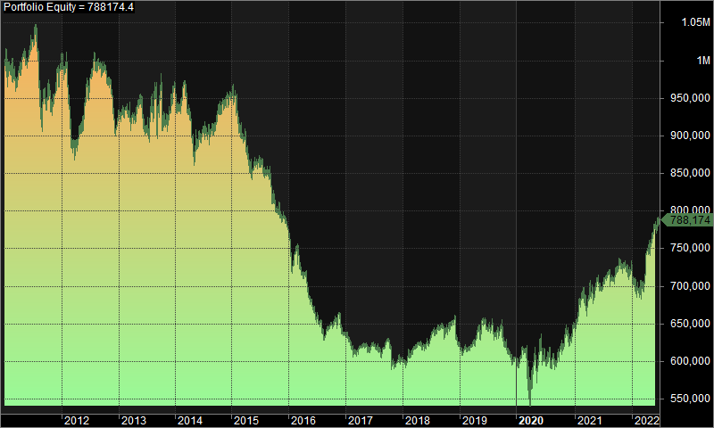
 | All trades | Long trades | Short trades
Initial capital | 1000000 | 1000000 | 1000000
Ending capital | 788174.45 | 1000000 | 788174.45
Net Profit | -211825.55 | 0 | -211825.55
Net Profit % | -21.18% | 0.00% | -21.18%
Exposure % | 2.08% | 0.00% | 2.08%
Net Risk Adjusted Return % | -1017.27% | N/A | -1017.27%
Annual Return % | -2.05% | 0.00% | -2.05%
Risk Adjusted Return % | -98.42% | N/A | -98.42%
Total transaction costs | 526056.32 | 0 | 526056.32

All trades | 1950 | 0 (0.00 %) | 1950 (100.00 %)
Avg. Profit/Loss | -108.63 | N/A | -108.63
Avg. Profit/Loss % | -0.11% | N/A | -0.11%
Avg. Bars Held | 104.01 | N/A | 104.01

Winners | 831 (42.62 %) | 0 (0.00 %) | 831 (42.62 %)
Total Profit | 3603947.01 | 0 | 3603947.01
Avg. Profit | 4336.88 | N/A | 4336.88
Avg. Profit % | 37.05% | N/A | 37.05%
Avg. Bars Held | 164.58 | N/A | 164.58
Max. Consecutive | 7 | 0 | 7
Largest win | 26233.2 | 0 | 26233.2
# bars in largest win | 520 | 0 | 520 | 2. Underwater Equity

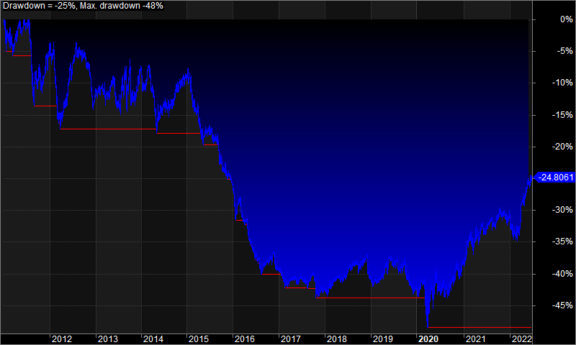
Losers | 1119 (57.38 %) | 0 (0.00 %) | 1119 (57.38 %)
Total Loss | -3815772.56 | 0 | -3815772.56
Avg. Loss | -3409.98 | N/A | -3409.98
Avg. Loss % | -27.70% | N/A | -27.70%
Avg. Bars Held | 59.03 | N/A | 59.03
Max. Consecutive | 10 | 0 | 10
Largest loss | -32634.85 | 0 | -32634.85
# bars in largest loss | 145 | 0 | 145

Max. trade drawdown | -44683.84 | 0 | -44683.84
Max. trade % drawdown | -98.71 | 0 | -98.71
Max. system drawdown | -508033.81 | 0 | -508033.81
Max. system % drawdown | -48.47% | 0.00% | -48.47%
Recovery Factor | -0.42 | N/A | -0.42
CAR/MaxDD | -0.04 | N/A | -0.04
RAR/MaxDD | -2.03 | N/A | -2.03
Profit Factor | 0.94 | N/A | 0.94
Payoff Ratio | 1.27 | N/A | 1.27
Standard Error | 82581.41 | 0.01 | 82581.41
Risk-Reward Ratio | -0.45 | 0 | -0.45
Ulcer Index | 29.81 | 0 | 29.81
Ulcer Performance Index | -0.25 | N/A | -0.25
Sharpe Ratio of trades | -0.04 | 0 | -0.04
K-Ratio | 0 | 0 | 0 | 3. Profit Table

 |  |  |  | Year | Jan | Feb | Mar | Apr | May | Jun | Jul | Aug | Sep | Oct | Nov | Dec | Yr%
 |  |  |  | 2011 | -0.70% | -1.00% | 0.30% | 2.10% | -0.50% | 2.60% | -1.70% | -6.50% | 0.60% | -0.90% | 2.80% | 3.10% | -0.20%
 |  |  |  | 2012 | 0.10% | -8.70% | -3.40% | 3.00% | 4.10% | 3.00% | 3.20% | -1.40% | 0.10% | -1.20% | -4.20% | -1.80% | -7.80%
 |  |  |  | 2013 | 1.80% | -0.50% | -0.40% | 1.10% | 0.30% | -2.90% | 4.30% | 1.30% | 0.80% | -5.20% | 1.30% | 3.90% | 5.30%
 |  |  |  | 2014 | -2.70% | 3.00% | -4.20% | -4.70% | 0.60% | 1.90% | -0.50% | 1.30% | 1.40% | 0.60% | 0.70% | 0.90% | -1.90%
 |  |  |  | 2015 | -1.00% | -3.90% | 0.00% | -5.50% | 1.10% | 0.70% | -2.60% | -0.30% | -2.80% | -2.10% | -1.30% | -2.00% | -18.10%
 |  |  |  | 2016 | -6.40% | 1.80% | -3.20% | -0.10% | -5.00% | -3.20% | -1.10% | -1.30% | 1.20% | 1.40% | 0.40% | -3.90% | -18.10%
 |  |  |  | 2017 | -1.50% | -2.50% | 1.00% | 0.70% | -0.80% | 1.20% | -2.00% | 0.80% | 1.70% | -4.50% | 0.00% | 0.80% | -5.10%
 |  |  |  | 2018 | -0.40% | 1.70% | 1.10% | 0.60% | 0.10% | 1.50% | 1.00% | 1.20% | -0.90% | 1.00% | 1.70% | -5.40% | 3.00%
 |  |  |  | 2019 | -1.00% | 0.40% | 0.90% | 3.10% | 1.20% | -0.90% | -0.20% | -0.90% | 2.50% | -4.10% | -3.50% | 0.00% | -2.70%
 |  |  |  | 2020 | -0.20% | 1.70% | -9.90% | 10.40% | 0.10% | 0.00% | -0.30% | -2.20% | 1.90% | 2.60% | 1.60% | 1.90% | 6.80%
 |  |  |  | 2021 | 2.30% | 5.50% | -3.00% | 3.00% | 1.80% | -2.00% | 2.60% | 0.10% | 1.50% | 0.40% | -0.50% | -0.20% | 11.70%
 |  |  |  | 2022 | -2.80% | -1.10% | 2.50% | 5.90% | 3.60% | 1.00% | N/A | N/A | N/A | N/A | N/A | N/A | 9.20%
 |  |  |  | Avg | -1.10% | -0.30% | -1.50% | 1.60% | 0.60% | 0.20% | 0.20% | -0.70% | 0.70% | -1.10% | -0.10% | -0.20%

